Wheels
 |  |  | S = Standard Equipment A = Available -- (dashes) = Not Available D = ADI Available ■ = Included in Equipment Group □ = Included in Equipment Group but upgradeable * = Indicates availability of feature on multiple models.
 |  |  | 1: Available on 1NR26 AWD. 2: Available on 1NS26 AWD. 3: Available on 1NT26 AWD.
Orderable RPO Code | Ref. Only RPO Code | Wheels | Description | LT 2LT1 | True North 3LT1 | RS 1RS2 | Premier 0HD3
 | RV3 | 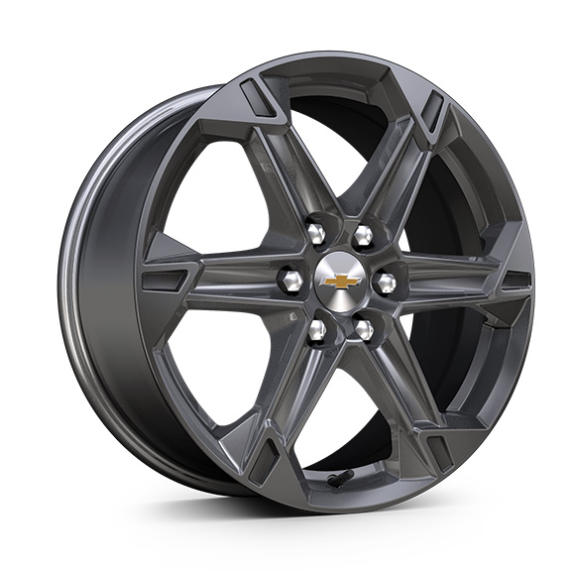 | Wheels, 18" (45.7 cm) Grazen Metallic aluminum | S | S | -- | --
 | Q75 | 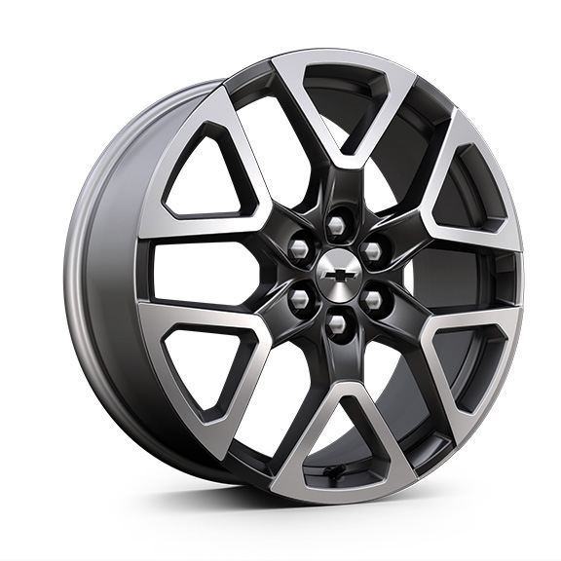 | Wheels, 20" (50.8 cm) Technical Grey aluminum | -- | -- | S | --
 | SUU | 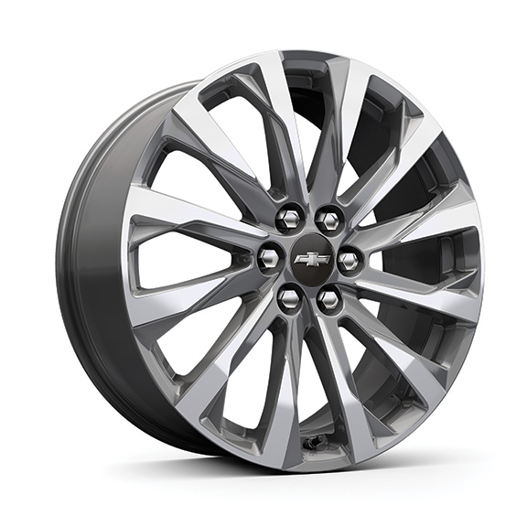 | Wheels, 20" (50.8 cm) Medium Android machined-face aluminum | -- | -- | -- | S
 | WQN | 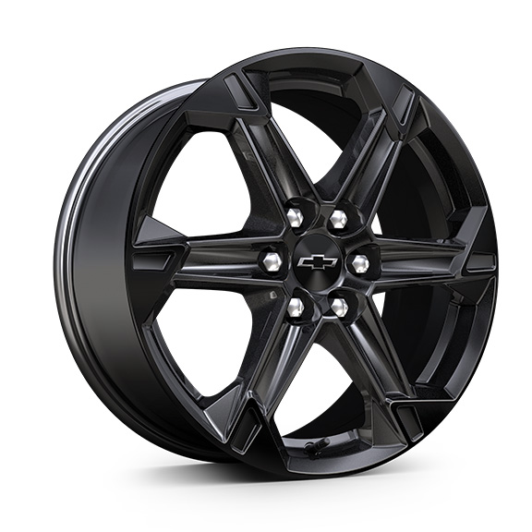 | Wheels, 18" (45.7 cm) High Gloss Black painted aluminum 1. Included and only available with (WJU) Midnight/Sport Edition. | A1 | A1 | -- | --
 | SS8 | 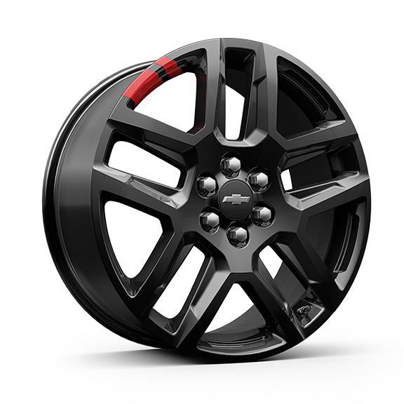 | Wheels, 20" (50.8 cm) Gloss Black painted aluminum with Red accents 1. Included and only available with (WBL) Redline Edition. | A1 | A1 | -- | --
Q70 |  | 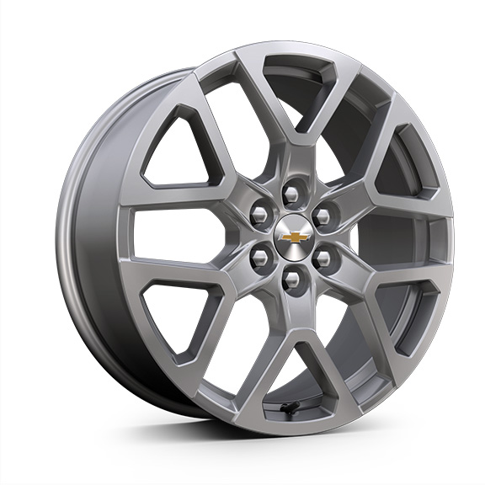 | Wheels, 20" (50.8 cm) Bright Silver aluminum | -- | A | -- | --
QH4 |  | 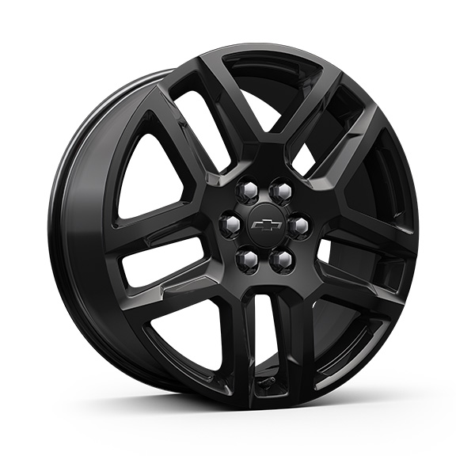 | Wheels, 20" (50.8 cm) Gloss Black aluminum | A | A | A | A
RUG |  | 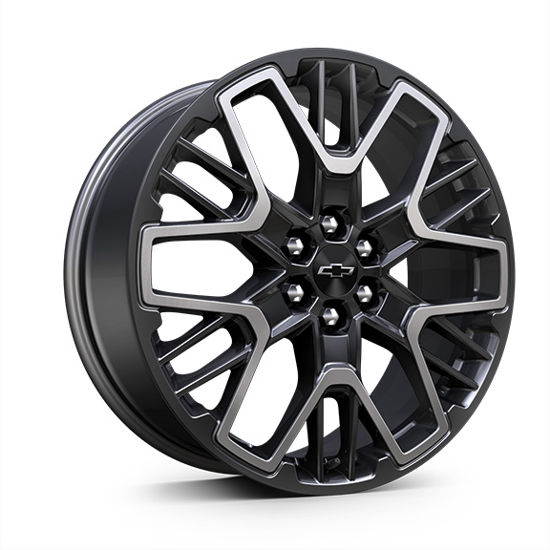 | Wheels, 21" (53.3 cm) High Gloss Black with machined face | -- | -- | A | --
RTM |  | 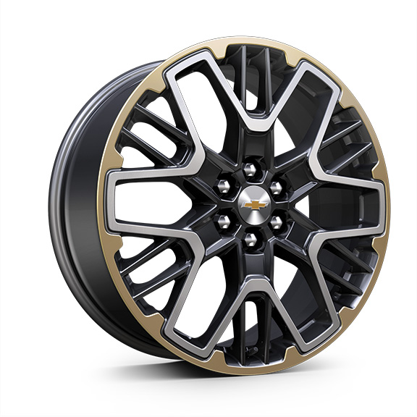 | Wheels, 21" (53.3 cm) Triple Finish aluminum | -- | -- | -- | A
S1S |  | 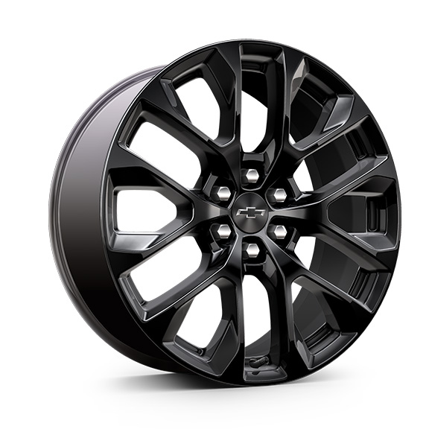 | LPO, 20" (50.8 cm) Gloss Black aluminum wheels, includes (SKT) Chevy Black with Black bowtie outline wheel centre caps, LPO, (SD5) tire pressure monitor, LPO and (SKL) transit wheels 1. Not available with (WJU) Midnight/Sport Edition or (WBL) Redline Edition. Included with (RFP) Black Sport Package, LPO, not available separately when RFP is ordered. 2. Included with (RFP) Black Sport Package, LPO, not available separately when RFP is ordered. | A1 | A1 | -- | A2
RZR |  | 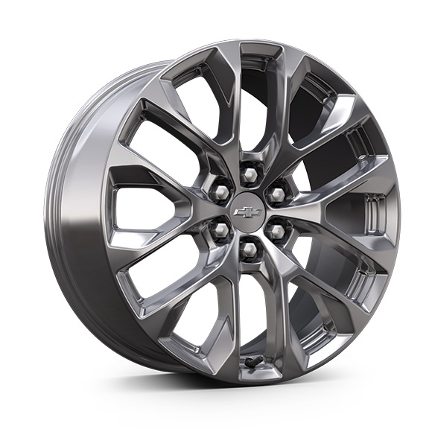 | LPO, 20" (50.8 cm) chrome aluminum wheels, includes (RXH) chrome with chrome bowtie wheel centre caps, LPO, (SD5) tire pressure monitor, LPO and (SKL) transit wheels 1. Not available at start of production. Not available with (WJU) Midnight/Sport Edition or (WBL) Redline Edition. 2. Not available at start of production. Not available with (WJU) Midnight/Sport Edition or (WBL) Redline Edition. Included with (RGC) Arctic Package 1, LPO, not available separately when RGC is ordered. 3. Not available at start of production. | A1 | A2 | -- | A3

